January2023
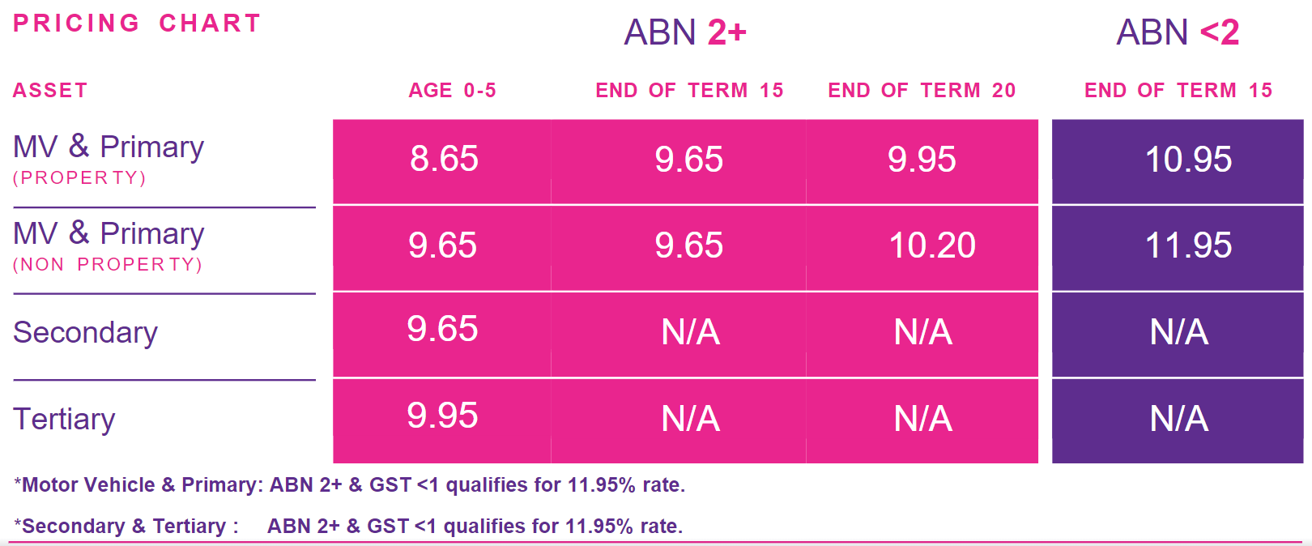
Effective date: January 09 2023 | ABN 2+ & GST 1+ |  |  | ABN 2+ & GST < 1 / not registered |  |  | ABN 0- < 2

Asset | Asset Age 0-5/ Age of asset EOT 10 | Age of asset EOT 15 | Age of asset EOT 20 | Age of asset EOT 10 | Age of asset EOT 15 | Age of asset EOT 20 | Age of asset EOT 10 | Age of asset EOT 15 | Age of asset EOT 20
MV (Property Owner) | 8.65 | 9.65 | 9.95 | 11.95 | 11.95 | 11.95 | 10.95 | 10.95 | 10.95
Primary Asset (Property Owner) | 8.65 | 9.65 | 9.95 | 11.95 | 11.95 | 11.95 | 10.95 | 10.95 | 10.95
MV (Non Property Owner) | 9.65 | 9.65 | 10.20 | 11.95 | 11.95 | 11.95 | 11.95 | 11.95 | 11.95
Primary Asset (Non Property Owner) | 9.65 | 9.65 | 10.20 | 11.95 | 11.95 | 11.95 | 11.95 | 11.95 | 11.95
Secondary Asset (Property Owner) | 9.65 | N/A | N/A | 11.95 | N/A | N/A | N/A | N/A | N/A
Tertiary Asset (Property Owner) | 9.95 | N/A | N/A | 11.95 | N/A | N/A | N/A | N/A | N/A
Secondary Asset (Non Property Owner) | 9.65 | N/A | N/A | 11.95 | N/A | N/A | N/A | N/A | N/A
Tertiary Asset (Non Property Owner) | 9.95 | N/A | N/A | 11.95 | N/A | N/A | N/A | N/A | N/A

Oct 17 rate
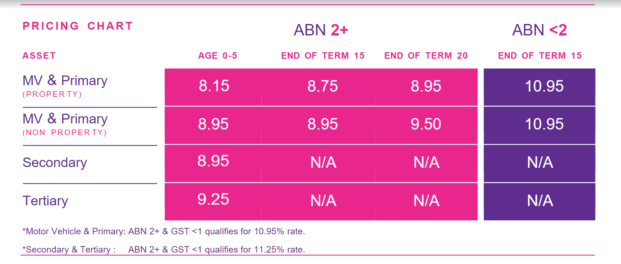
 |  |  | ABN2+GST1+ | ABN2+GST1+ | ABN2+GST1+ | ABN2+GST1+ | ABN2+GST<1 | ABN2+GST<1 | ABN2+GST<1 | ABN2+GSTnull | ABN2+GSTnull | ABN2+GSTnull | ABN0-<2 | ABN0-<2 | ABN0-<2
 |  |  | Age0-5 | EOT10 | EOT15 | EOT20 | EOT10 | EOT15 | EOT20 | EOT10 | EOT15 | EOT20 | EOT10 | EOT15 | EOT20
AssetBacked | Asset |  | ABN2+GST1+Age0-5 | ABN2+GST1+EOT10 | ABN2+GST1+EOT15 | ABN2+GST1+EOT20 | ABN2+GST<1EOT10 | ABN2+GST<1EOT15 | ABN2+GST<1EOT20 | ABN2+GSTnullEOT10 | ABN2+GSTnullEOT15 | ABN2+GSTnullEOT20 | ABN0-<2EOT10 | ABN0-<2EOT15 | ABN0-<2EOT20
Property Owner | Motor Vehicles | Motor VehiclesProperty Owner | 8.45 | 8.45 | 9.45 | 9.95 | 11.65 | 11.65 | 11.65 | 11.65 | 11.65 | 11.65 | 10.95 | 10.95 | 10.95
Property Owner | Primary Asset | Primary AssetProperty Owner | 8.45 | 8.45 | 9.45 | 9.95 | 11.65 | 11.65 | 11.65 | 11.65 | 11.65 | 11.65 | 10.95 | 10.95 | 10.95
Non Property Owner | Motor Vehicles | Motor VehiclesNon Property Owner | 9.45 | 9.45 | 9.65 | 10.2 | 11.65 | 11.65 | 11.65 | 11.65 | 11.65 | 11.65 | 10.95 | 10.95 | 10.95
Non Property Owner | Primary Asset | Primary AssetNon Property Owner | 9.45 | 9.45 | 9.65 | 10.2 | 11.65 | 11.65 | 11.65 | 11.65 | 11.65 | 11.65 | 10.95 | 10.95 | 10.95
Property Owner | Secondary Asset | Secondary AssetProperty Owner | 9.65 | 9.65 | N/A | N/A | 11.95 | N/A | N/A | 11.95 | N/A | N/A | N/A | N/A | N/A
Property Owner | Tertiary Asset | Tertiary AssetProperty Owner | 9.95 | 9.95 | N/A | N/A | 11.95 | N/A | N/A | 11.95 | N/A | N/A | N/A | N/A | N/A
Non Property Owner | Secondary Asset | Secondary AssetNon Property Owner | 9.65 | 9.65 | N/A | N/A | 11.95 | N/A | N/A | 11.95 | N/A | N/A | N/A | N/A | N/A
Non Property Owner | Tertiary Asset | Tertiary AssetNon Property Owner | 9.95 | 9.95 | N/A | N/A | 11.95 | N/A | N/A | 11.95 | N/A | N/A | N/A | N/A | N/A

02052022
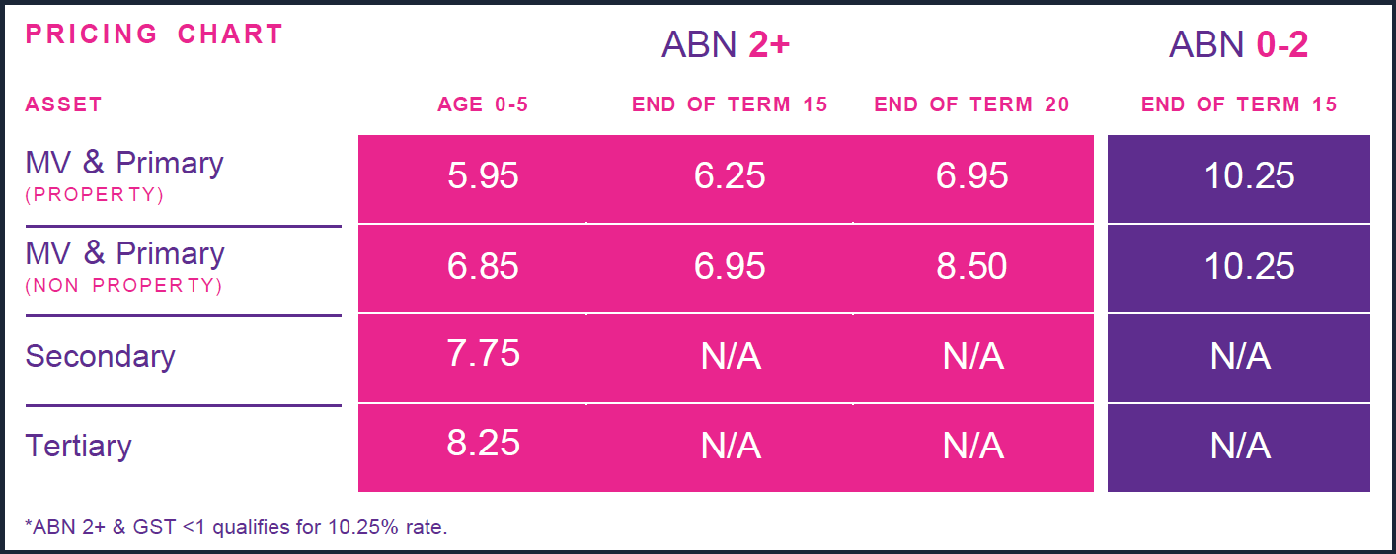
 | ABN 2+ & GST 1+ |  |  |  | ABN 2+ & GST < 1 / not registered |  |  | ABN 0- < 2

Asset | Asset Age 0-5 | Age of asset EOT 10 | Age of asset EOT 15 | Age of asset EOT 20 | Age of asset EOT 10 | Age of asset EOT 15 | Age of asset EOT 20 | Age of asset EOT 10 | Age of asset EOT 15 | Age of asset EOT 20
MV (Property Owner) | 5.95 | 6.25 | 6.25 | 6.95 | 10.25 | 10.25 | 10.25 | 10.25 | 10.25 | 10.25
Primary Asset (Property Owner) | 5.95 | 6.25 | 6.25 | 6.95 | 10.25 | 10.25 | 10.25 | 10.25 | 10.25 | 10.25
MV (Non Property Owner) | 6.85 | 6.95 | 6.95 | 8.5 | 10.25 | 10.25 | 10.25 | 10.25 | 10.25 | 10.25
Primary Asset (Non Property Owner) | 6.85 | 6.95 | 6.95 | 8.5 | 10.25 | 10.25 | 10.25 | 10.25 | 10.25 | 10.25
Secondary Asset (Property Owner) | 7.75 | 7.75 | N/A | N/A | 10.25 | N/A | N/A | N/A | N/A | N/A
Tertiary Asset (Property Owner) | 8.25 | 8.25 | N/A | N/A | 10.25 | N/A | N/A | N/A | N/A | N/A
Secondary Asset (Non Property Owner) | 7.75 | 7.75 | N/A | N/A | 10.25 | N/A | N/A | N/A | N/A | N/A
Tertiary Asset (Non Property Owner) | 8.25 | 8.25 | N/A | N/A | 10.25 | N/A | N/A | N/A | N/A | N/A

01042022
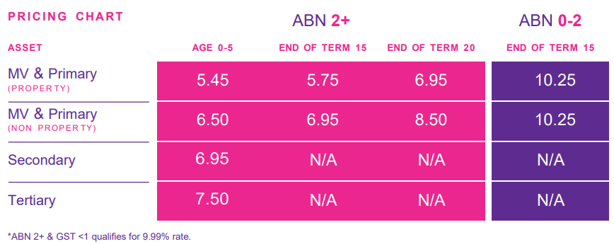
 | ABN 2+ & GST 1+ |  |  |  | ABN 2+ & GST < 1 / not registered |  |  | ABN 0- < 2

Asset | Asset Age 0-5 | Age of asset EOT 10 | Age of asset EOT 15 | Age of asset EOT 20 | Age of asset EOT 10 | Age of asset EOT 15 | Age of asset EOT 20 | Age of asset EOT 10 | Age of asset EOT 15 | Age of asset EOT 20
MV (Property Owner) | 5.45 | 5.75 | 5.75 | 6.95 | 10.25 | 10.25 | 10.25 | 10.25 | 10.25 | 10.25
Primary Asset (Property Owner) | 5.45 | 5.75 | 5.75 | 6.95 | 10.25 | 10.25 | 10.25 | 10.25 | 10.25 | 10.25
MV (Non Property Owner) | 6.5 | 6.95 | 6.95 | 8.5 | 10.25 | 10.25 | 10.25 | 10.25 | 10.25 | 10.25
Primary Asset (Non Property Owner) | 6.5 | 6.95 | 6.95 | 8.5 | 10.25 | 10.25 | 10.25 | 10.25 | 10.25 | 10.25
Secondary Asset (Property Owner) | 6.95 | 6.95 | N/A | N/A | 10.25 | N/A | N/A | N/A | N/A | N/A
Tertiary Asset (Property Owner) | 7.5 | 7.5 | N/A | N/A | 10.25 | N/A | N/A | N/A | N/A | N/A
Secondary Asset (Non Property Owner) | 6.95 | 6.95 | N/A | N/A | 10.25 | N/A | N/A | N/A | N/A | N/A
Tertiary Asset (Non Property Owner) | 7.5 | 7.5 | N/A | N/A | 10.25 | N/A | N/A | N/A | N/A | N/A

JAN2022
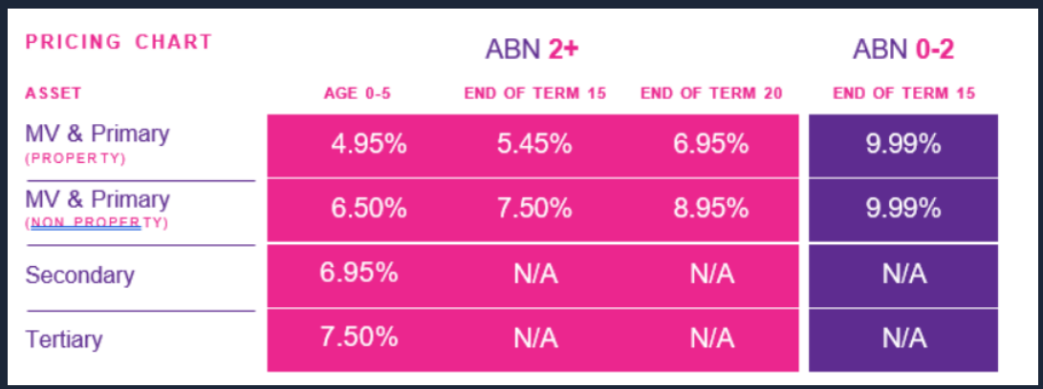
 | ABN 2+ & GST 1+ ABN Trust ABN2+ & GST >1yr: 26964752705 (The Trustee for PHD TRUST) ABN2+ & GST >1yr: 22605215227 |  |  |  | ABN 2+ & GST < 1 / not registered ABN Company GST <1yr: 20145240955 (Mahogany) ABN Sole Trader GST=NR: 45676391348 (Ode,Ayaka) |  |  | ABN 0- < 2 ABN Company <1yr: 93637177854

Asset | Asset Age 0-5 | Age of asset EOT 10 | Age of asset EOT 15 | Age of asset EOT 20 | Age of asset EOT 10 | Age of asset EOT 15 | Age of asset EOT 20 | Age of asset EOT 10 | Age of asset EOT 15 | Age of asset EOT 20
MV (Property Owner) | 4.95 | 5.45 | 5.45 | 6.95 | 9.99 | 9.99 | 9.99 | 9.99 | 9.99 | 9.99
Primary Asset (Property Owner) | 4.95 | 5.45 | 5.45 | 6.95 | 9.99 | 9.99 | 9.99 | 9.99 | 9.99 | 9.99
MV (Non Property Owner) | 6.5 | 7.5 | 7.5 | 8.95 | 9.99 | 9.99 | 9.99 | 9.99 | 9.99 | 9.99
Primary Asset (Non Property Owner) | 6.5 | 7.5 | 7.5 | 8.95 | 9.99 | 9.99 | 9.99 | 9.99 | 9.99 | 9.99
Secondary Asset (Property Owner) | 6.95 | 6.95 | N/A | N/A | 9.99 | N/A | N/A | N/A | N/A | N/A
Tertiary Asset (Property Owner) | 7.5 | 7.5 | N/A | N/A | 9.99 | N/A | N/A | N/A | N/A | N/A
Secondary Asset (Non Property Owner) | 6.95 | 6.95 | N/A | N/A | 9.99 | N/A | N/A | N/A | N/A | N/A
Tertiary Asset (Non Property Owner) | 7.5 | 7.5 | N/A | N/A | 9.99 | N/A | N/A | N/A | N/A | N/A

